sheet1
Online Induction Sys Testing
Agenda | Action | Remarks | Action Performed By
Contact Number | No specified format. Invalid enteries | 03XX-XXXXXXX | Defining Tech
Duplicate entries | there are number of duplicate entries that have roll number assigned by system | 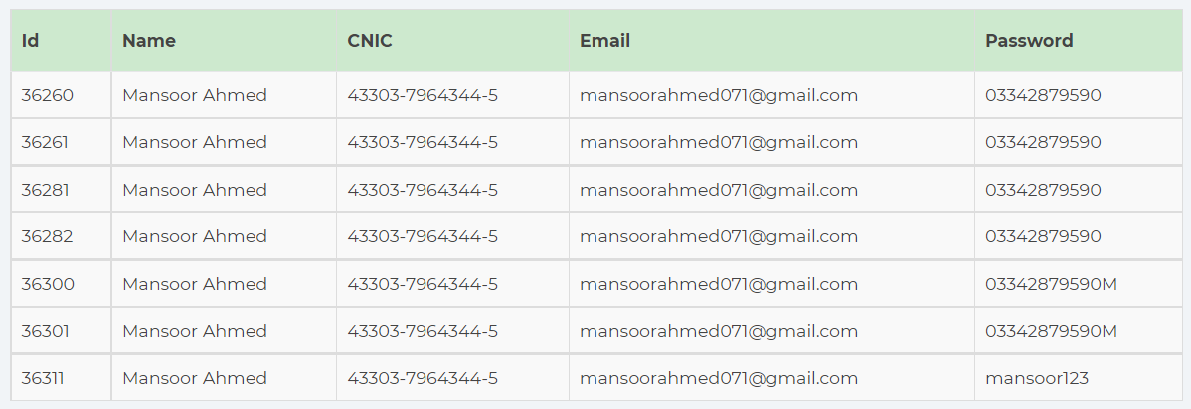 | Defining Tech
Forgot password | Candidates forgot about their email address, so there should be last 2-3 digits displayed so that particular person could recall their email. Option of CNIC and email address should be given. If email address is wrong then display the message of incorrect email along with last 3 digits of email e.g xxxxxxxxxxxxsr3@gmail.com |  | Defining Tech
No picture on roll number slip | allow png,jpg and tif picture for uploading so that picture would display on roll no slip | Roll Number slip | Defining Tech
Roll number slip Exam center name issue | If center name increases then it will overlap the name, kindly increase its pan size | Roll Number slip | Defining Tech
Roll number slip instructions | Kindly add point 5 and 6 inside the of above instructions box | Roll Number slip | Defining Tech
Search option should be provided and submitted atleast 10 records at a time | As per discussion, region wise list display in dropdown box |  | Defining Tech
Overwrite of excel sheet should be eliminated |  |  | Defining Tech

